NN
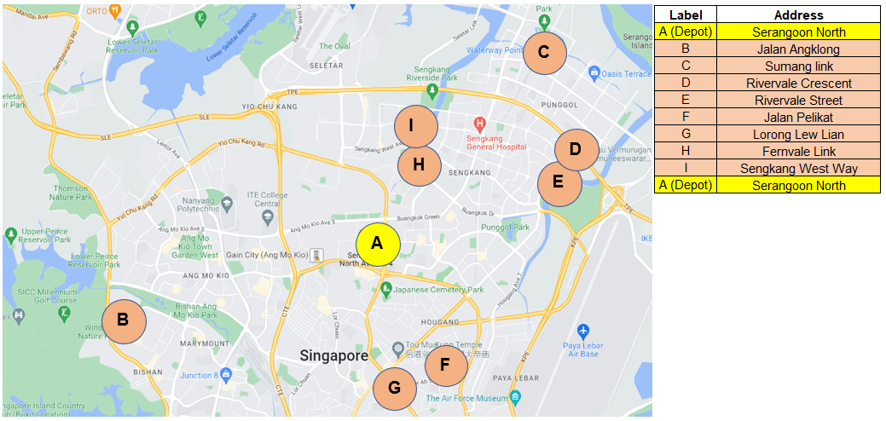
Nearest Neighbour Method

 |  |  | Distance Table
From |  | To (Distance in km) |  |  |  |  |  |  |  |  | Route (tour): A-G-F-E-D-C-I-H-B-A
 |  | A | B | C | D | E | F | G | H | I
Serangoon North (Depot) | A | 0 | 8.1 | 6 | 6 | 5.2 | 4.3 | 3.8 | 4 | 4 | From | To | Distance
Jalan Angklong | B | 8.1 | 0 | 13.5 | 14.4 | 14.3 | 9.1 | 6.7 | 9.5 | 9.3 | A | G | 3.8
Sumang link | C | 6 | 13.5 | 0 | 3.7 | 3.6 | 9.1 | 9.7 | 6.2 | 5.6 | G | F | 2.3
Rivervale Crescent | D | 6 | 14.4 | 3.7 | 0 | 1.7 | 6.8 | 7.1 | 4.4 | 4.2 | F | E | 6.5
Rivervale Street | E | 5.2 | 14.3 | 3.6 | 1.7 | 0 | 6.5 | 7.1 | 4.2 | 4.5 | E | D | 1.7
Jalan Pelikat | F | 4.3 | 9.1 | 9.1 | 6.8 | 6.5 | 0 | 2.3 | 7.7 | 8.2 | D | C | 3.7
Lorong Lew Lian | G | 3.8 | 6.7 | 9.7 | 7.1 | 7.1 | 2.3 | 0 | 7.2 | 6.6 | C | I | 5.6
Fernvale Link | H | 4 | 9.5 | 6.2 | 4.4 | 4.2 | 7.7 | 7.2 | 0 | 1.3 | I | H | 1.3
Sengkang West Way | I | 4 | 9.3 | 5.6 | 4.2 | 4.5 | 8.2 | 6.6 | 1.3 | 0 | H | B | 9.5
 |  |  |  |  |  |  |  |  |  |  | B | A | 8.1
 |  |  |  |  |  |  |  |  |  |  |  | Total Dist. | 42.5 | km

